Sheet1
Requirements
Voltage Pri Min | 12 | V
Voltage Pri Max | 18 | V
POWER Out | 48 | W
Efficiency | 0.85
Fsw | 60000 | Hz
Vout | 48 | V
Vout_diode | 1 | V
Reflected Voltage (Vr) | 12 | V |  |  | Note: | Vr is chosen as 12V to obtain Dmax=0.5

Power Calculations
Pin_max | 56.470588235 | W
I_pri | 18.823529412 | A
Duty Cyle (Dmax) | 0.5 |  |  |  | 12 |  | 13 | 14 | 15
Ipri,rms | 7.6846737028 | Arms

Transformer Characteristics and Calculations
Bmax | 0.3 | T |  |  | 21 |  | 22 | 23
Ae | 81 | mm^2
Window Area Core | 151 | mm^2
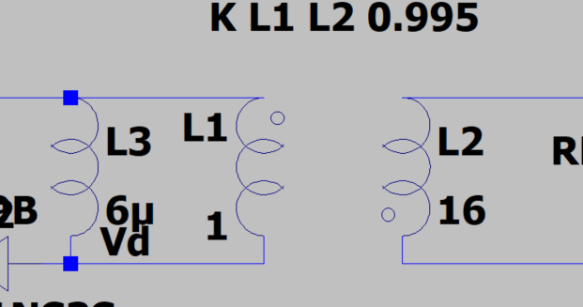
L_pri | 5.3125E-06 | H | 5.3125 | uH | magnetizing inductance
Np | 4.1152263374
Turn ratio (Np/Ns) | 0.24489795918
Np_integer | 4
Ns | 16.333333333
Ns_integer | 16
Isec | 4.7058823529 | A
Isec,rms | 1.9211684257 | A

Sheet2
